assembly
ASSEMBLY CHECK SHEET |  |  |  |  | WO NUMBER |  |  |  |  |  | DOCUMENT NO |  |  | RC/QR04/EG/12/03
OIL ADAPTER |  |  |  |  | COMP.MODEL |  |  |  |  |  | PUBLIC DATE
 |  |  |  |  | COMP.S/N |  |  |  |  |  | REVISION NO
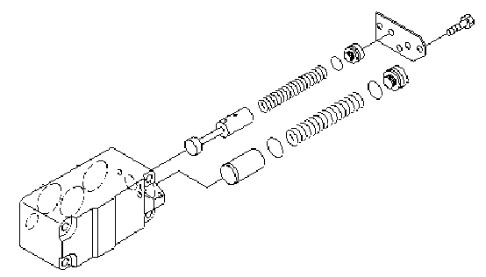
SAA12V140-3 |  |  |  |  | UNIT MODEL |  |  |  |  |  | PAGE

PROCESS |  | START |  |  |  |  |  | ASSEMBLY BY
 |  | FINISH

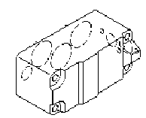
NO | PART TO INSTALL OR FIT |  | CONDITION TOBE ASSAMBLY |  |  |  | SPECIFICATION | SIGNATURE |  | SKETCH DRAWING OR PHOTHOES
 |  |  |  |  |  |  |  | MECH | GL/QA
1 | BODY

 |  |  |  | Oil adapter body must be free from crack,dent and rust.

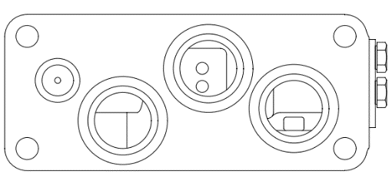
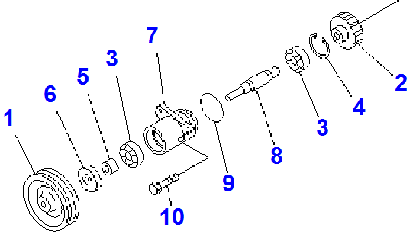
 |  |  |  | All thread and holes are in good condition and clean.

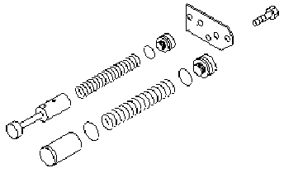
2 | INNER PART
 |  |  |  | Valve must be free from abnormal worn ,scratch,dent ,pitching,and corotion.

 |  |  |  | Spring must be free from corotion,worn and broken.

 |  |  |  | Plate must be free from worn ,crack and broken.

3 | INSTALL REGULATOR VALVE ,BYPASS VALVE TO HOUSING
 |  |  |  | Coat oil in hole of body ,by pass valve and regulator valve

 |  |  |  | Install regulator and by pass valve.

 |  |  |  | Install shim 1,0mm to oil cooler bypass valve.

4 | INSTALL SPRING,PLUG AND PLATE
 |  |  |  | Coat spring and plug with oil engine

 |  |  |  | Install spring to valve.

 |  |  |  | Install o ring to plug

 |  |  |  | install plate with tool hidraulic press.

 |  |  | must be carefull and safety at install plate.check plug and spring,at insert to body.

5 | MOUNTING PLATE

NOTE :

 | ASSEMBLY BY |  |  |  |  | INSPECTED BY |  |  |  |  |  |  | APPROVED BY

 | MECHANIC |  |  |  |  | Quallity Assurance(QA) |  |  |  |  |  | GL/SPV PRODUCTION

measuring
MEASUREMENT CHECK SHEET |  |  |  |  |  |  | WO NUMBER |  |  |  |  |  | DOCUMENT NO |  |  | RC/QR03/EG/12/02
OIL ADAPTER |  |  |  |  |  |  | COMP.MODEL |  |  | SA12V140-1 |  |  | PUBLIC DATE
 |  |  |  |  |  |  | COMP.S/N |  |  |  |  |  | REVISION NO
SAA12V140 1/3 |  |  |  |  |  |  | UNIT MODEL |  |  |  |  |  | PAGE

PROCESS |  |  | START |  |  |  |  |  |  | MEASUREMENT BY
 |  |  | FINISH

NO | PART TO MEASURING OR INSPECT |  |  | STANDARD VALUE TABLE

4
3
1 | OIL ADAPTER

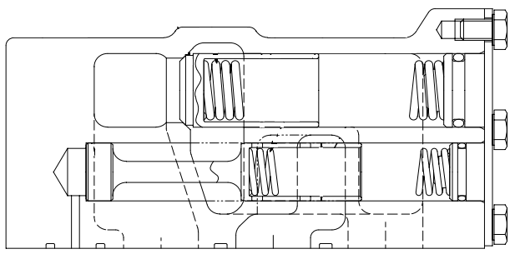

2
1

 |  |  |  |  |  |  |  |  |  |  |  |  |  |  | unit:mm
 |  |  |  |  | NO | CHECK ITEM |  |  | CRITERIA |  |  |  | ACTUAL
 |  |  |  |  |  |  |  |  | STANDART SIZE |  | POSITION

 |  |  |  |  | 1 | Clearence betwen regulator valve and body |  |  | 0,020 ~ 0,074 |  | 1 | X
 |  |  |  |  |  |  |  |  |  |  |  | Y
 |  |  |  |  | 2 | Regulator valve spring |  | Free lenght | 111,05 ±0,5

 |  |  |  |  |  |  |  | Install lenght | 75

 |  |  |  |  |  |  |  | Install load | 136 Nm

 |  |  |  |  | 3 | Clearence betwen oil cooler by pass valve and body |  |  | 0,020 ~ 0,086 |  | 3 | X

 |  |  |  |  |  |  |  |  |  |  |  | Y
 |  |  |  |  | 4 | Oil cooler bypass valve spring |  | Free lenght | 125.8

 |  |  |  |  |  |  |  | Install lenght | 89.8

 |  |  |  |  |  |  |  | Install load | 186 Nm

 | NOTE

 |  | MECHANIC |  |  |  |  |  |  |  |  |  |  |  | GROUP LEADER (GL)

